comparison
dataSet | Selected Version | Model | Node n-F1 | Chain n-F1 | Chain e-F1 | Chain NED | DAG n-F1 | DAG e-F1 | Overall n-F1 | Overall e-F1
multi media | taskBench | gpt-4 | 97.13 | 89.7 | 69.29 | 28.93 | 92.32 | 71.64 | 90.9 | 60.27
 | taskBench | gemini-pro | 73.61 | 82.65 | 55.5 | 35.62 | 85.29 | 57.8 | 81.54 | 52.07
 | 20260513-base | gpt-5.4-xhigh | 90.65 | 89.91 | 73.42 | 15.44 | 91.67 | 77.78 | 90.65 | 74.23
 | gpt5.4_multi_memory_op_graph_20260512 | gpt-5.4-xhigh | 91.43 | 90.91 | 70 | 16.12 | 91.67 | 77.78 | 91.43 | 71.43
 | gpt5.4_multi_memory_op_20260511 | gpt-5.4-xhigh | 92.09 | 91.74 | 73.42 | 15.44 | 91.67 | 77.78 | 92.09 | 74.23
 | gpt5.4_single_20260507 | gpt-5.4-xhigh | 92.86 | 90.91 | 72.5 | 14.66 | 100 | 58.82 | 92.86 | 70.1
 | gemini_20260507 | gemini-2.5-flash | 91.85 | 90.57 | 61.33 | 15.33 | 95.65 | 62.5 | 91.85 | 61.54
 | qianwen_20260430 | qwen-max | 85.48 | 82.98 | 61.54 | 21.42 | 91.67 | 47.06 | 85.48 | 58.54
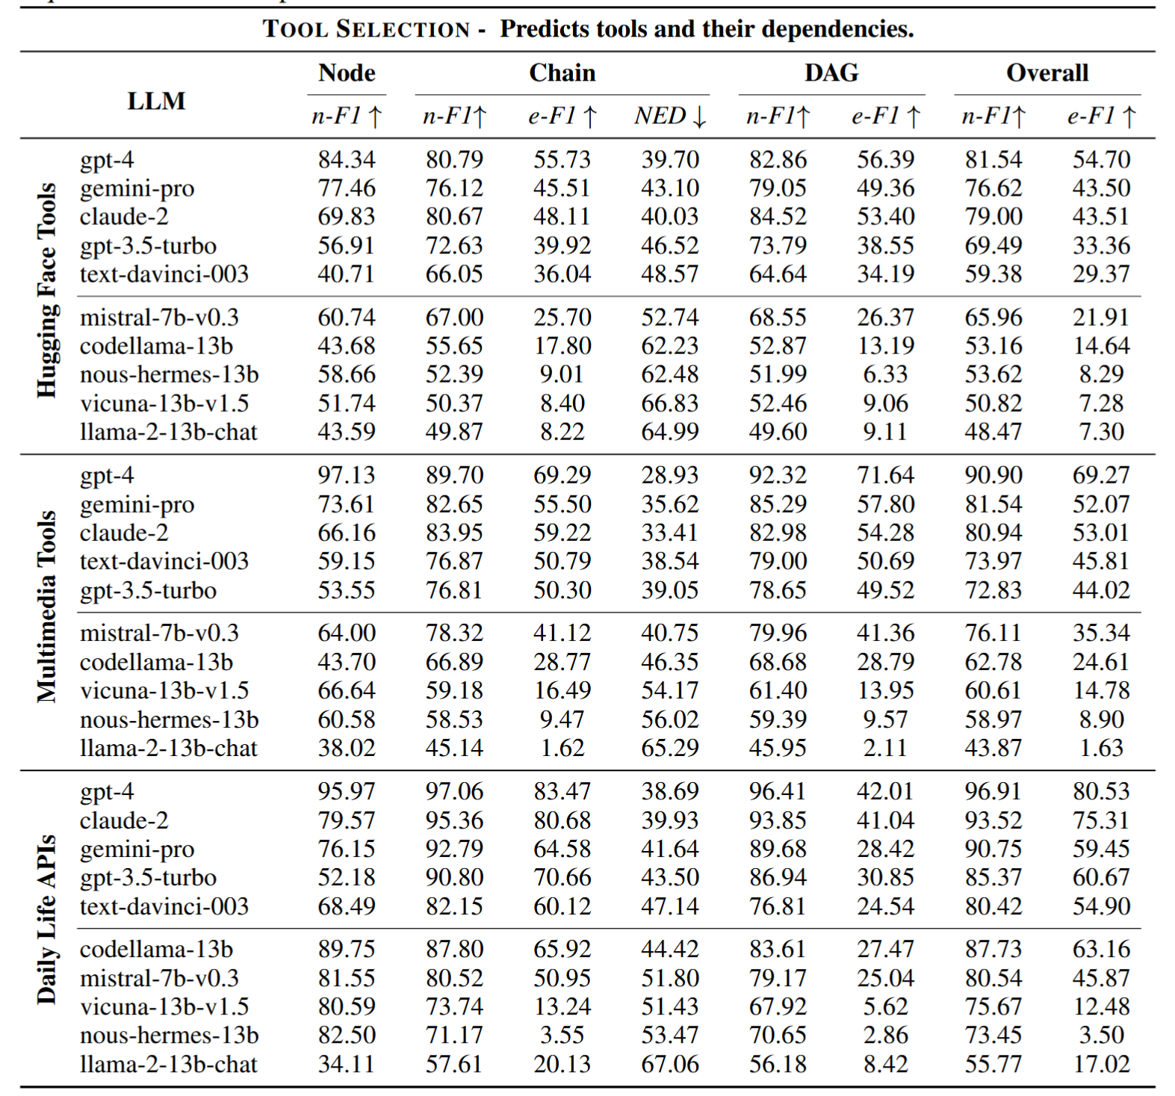

 | 多 Planner Agent 生成候选
 | ↓
 | Verifier Agent
 | ↓
 | Critic Agent
 | ↓
 | Repair Agent
 | ↓
 | Ranker Agent + 规则打分选最优

 | 1. MultiMedia多跑50条
 | 2. 跑hugging Face的数据集测试

